Sheet1
SR. | PRODUCT NAME | IMAGE | PRODUCT SIZE | FINISHES | BOX IN PIS | BOX SQFT | RATE
1 | GENESIS BIANCO |  | 600X1200 | GLOSSY | 2 | 15.5 | 110 PER SQFT
2 | CREST BIANCO |  | 600X1200 | MATT | 2 | 15.5 | 110 PER SQFT
3 | ROCK BIANCO |  | 600X1200 | MATT | 2 | 15.5 | 110 PER SQFT
4 | DUAL BIANCO |  | 600X1200 | MATT | 2 | 15.5 | 110 PER SQFT
5 | GENESIS BIANCO |  | 600X600 | GLOSSY | 4 | 15.5 | 85 PER SQFT
6 | CREST BIANCO |  | 600X600 | MATT | 4 | 15.5 | 85 PER SQFT
7 | ROCK BIANCO |  | 600X600 | MATT | 4 | 15.5 | 85 PER SQFT
8 | GENESIS NERO |  | 600X1200 | GLOSSY | 2 | 15.5 | 110 PER SQFT
9 | CREST NERO |  | 600X1200 | MATT | 2 | 15.5 | 110 PER SQFT
10 | ROCK NERO |  | 600X1200 | MATT | 2 | 15.5 | 110 PER SQFT
11 | DUAL NERO |  | 600X1200 | MATT | 2 | 15.5 | 110 PER SQFT
12 | GENESIS NERO |  | 600X600 | GLOSSY | 4 | 15.5 | 85 PER SQFT
13 | CREST NERO |  | 600X600 | MATT | 4 | 15.5 | 85 PER SQFT
14 | ROCK NERO |  | 600X600 | MATT | 4 | 15.5 | 85 PER SQFT
15 | GENESIS GRIS |  | 600X1200 | GLOSSY | 2 | 15.5 | 110 PER SQFT
16 | CREST GRIS |  | 600X1200 | MATT | 2 | 15.5 | 110 PER SQFT
17 | ROCK GRIS |  | 600X1200 | MATT | 2 | 15.5 | 110 PER SQFT
18 | DUAL GRIS | 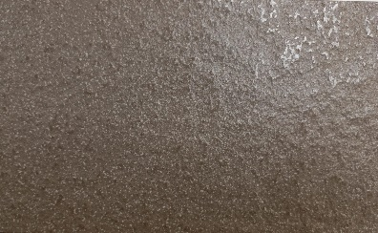 | 600X1200 | MATT | 2 | 15.5 | 110 PER SQFT
19 | GENESIS GRIS |  | 600X600 | GLOSSY | 4 | 15.5 | 85 PER SQFT
20 | CREST GRIS |  | 600X600 | MATT | 4 | 15.5 | 85 PER SQFT
21 | ROCK GRIS |  | 600X600 | MATT | 4 | 15.5 | 85 PER SQFT
22 | GENESIS BEIGE |  | 600X1200 | MATT | 2 | 15.5 | 110 PER SQFT
23 | CREST BEIGE |  | 600X1200 | MATT | 2 | 15.5 | 110 PER SQFT
24 | ROCK BEIGE |  | 600X1200 | MATT | 2 | 15.5 | 110 PER SQFT
25 | DUAL BEIGE | 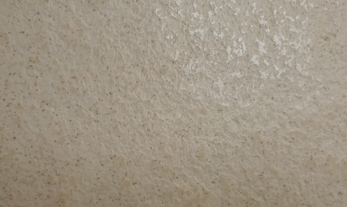 | 600X1200 | MATT | 2 | 15.5 | 110 PER SQFT
26 | GENESIS BEIGE |  | 600X600 | MATT | 4 | 15.5 | 85 PER SQFT
27 | CREST BEIGE |  | 600X600 | MATT | 4 | 15.5 | 85 PER SQFT
28 | ROCK BEIGE |  | 600X600 | MATT | 4 | 15.5 | 85 PER SQFT
29 | CREST CARLO |  | 600X1200 | MATT | 2 | 15.5 | 110 PER SQFT
30 | ROCK CARLO |  | 600X1200 | MATT | 2 | 15.5 | 110 PER SQFT
31 | DUAL CARLO |  | 600X1200 | MATT | 2 | 15.5 | 110 PER SQFT
32 | CREST CARLO |  | 600X600 | MATT | 4 | 15.5 | 85 PER SQFT
33 | ROCK CARLO |  | 600X600 | MATT | 4 | 15.5 | 85 PER SQFT
34 | GENESIS PLUTO |  | 600X1200 | GLOSSY | 2 | 15.5 | 110 PER SQFT
35 | CREST PLUTO |  | 600X1200 | MATT | 2 | 15.5 | 110 PER SQFT
36 | ROCK PLUTO |  | 600X1200 | MATT | 2 | 15.5 | 110 PER SQFT
37 | DUAL PLUTO |  | 600X1200 | MATT | 2 | 15.5 | 110 PER SQFT
38 | GENESIS PLUTO |  | 600X600 | GLOSSY | 4 | 15.5 | 85 PER SQFT
39 | CREST PLUTO |  | 600X600 | MATT | 4 | 15.5 | 85 PER SQFT
40 | ROCK PLUTO |  | 600X600 | MATT | 4 | 15.5 | 85 PER SQFT
41 | GENESIS COTTA |  | 600X1200 | MATT | 2 | 15.5 | 110 PER SQFT
42 | CREST COTTA |  | 600X1200 | MATT | 2 | 15.5 | 110 PER SQFT
43 | ROCK COTTA |  | 600X1200 | MATT | 2 | 15.5 | 110 PER SQFT
44 | DUAL COTTA | 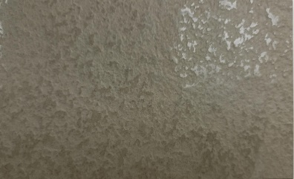 | 600X1200 | MATT | 2 | 15.5 | 110 PER SQFT
45 | GENESIS COTTA |  | 600X600 | MATT | 4 | 15.5 | 85 PER SQFT
46 | CREST COTTA |  | 600X600 | MATT | 4 | 15.5 | 85 PER SQFT
47 | ROCK COTTA |  | 600X600 | MATT | 4 | 15.5 | 85 PER SQFT
48 | GENESIS MINK |  | 600X1200 | MATT | 2 | 15.5 | 110 PER SQFT
49 | CREST MINK |  | 600X1200 | MATT | 2 | 15.5 | 110 PER SQFT
50 | ROCK MINK |  | 600X1200 | MATT | 2 | 15.5 | 110 PER SQFT
51 | DUAL MINK | 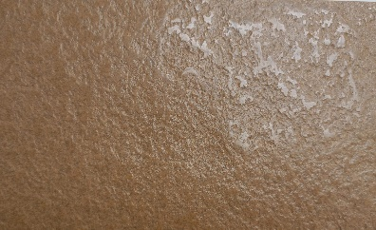 | 600X1200 | MATT | 2 | 15.5 | 110 PER SQFT
52 | GENESIS MINK |  | 600X600 | MATT | 4 | 15.5 | 85 PER SQFT
53 | CREST MINK |  | 600X600 | MATT | 4 | 15.5 | 85 PER SQFT
54 | ROCK MINK |  | 600X600 | MATT | 4 | 15.5 | 85 PER SQFT
55 | GENESIS BROWN |  | 600X1200 | MATT | 2 | 15.5 | 110 PER SQFT
56 | CREST BROWN |  | 600X1200 | MATT | 2 | 15.5 | 110 PER SQFT
57 | ROCK BROWN |  | 600X1200 | MATT | 2 | 15.5 | 110 PER SQFT
58 | DUAL BROWN | 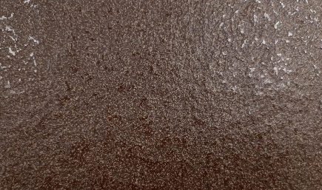 | 600X1200 | MATT | 2 | 15.5 | 110 PER SQFT
59 | GENESIS BROWN |  | 600X600 | MATT | 4 | 15.5 | 85 PER SQFT
60 | CREST BROWN |  | 600X600 | MATT | 4 | 15.5 | 85 PER SQFT
61 | ROCK BROWN |  | 600X600 | MATT | 4 | 15.5 | 85 PER SQFT
62 | FLAKE GENESIS BEIGE |  | 600X1200 | GLOSSY | 2 | 15.5 | 110 PER SQFT
63 | FLAKE CREST BEIGE |  | 600X1200 | MATT | 2 | 15.5 | 110 PER SQFT
64 | FLAKE GENESIS BROWN |  | 600X1200 | GLOSSY | 2 | 15.5 | 110 PER SQFT
65 | FLAKE CREST BROWN |  | 600X1200 | MATT | 2 | 15.5 | 110 PER SQFT
66 | FLAKE GENESIS BLACK |  | 600X1200 | GLOSSY | 2 | 15.5 | 110 PER SQFT
67 | FLAKE CREST BLACK |  | 600X1200 | MATT | 2 | 15.5 | 110 PER SQFT
68 | FLAKE GENESIS GREY |  | 600X1200 | GLOSSY | 2 | 15.5 | 110 PER SQFT
69 | FLAKE CREST GREY |  | 600X1200 | MATT | 2 | 15.5 | 110 PER SQFT
70 | FLAKE GENESIS NEGRO |  | 600X1200 | GLOSSY | 2 | 15.5 | 110 PER SQFT
71 | FLAKE CREST NEGRO |  | 600X1200 | MATT | 2 | 15.5 | 110 PER SQFT
72 | FLAKE GENESIS PLUTO |  | 600X1200 | GLOSSY | 2 | 15.5 | 110 PER SQFT
73 | FLAKE CREST PLUTO |  | 600X1200 | MATT | 2 | 15.5 | 110 PER SQFT
74 | FLAKE GENESIS CARLO |  | 600X1200 | GLOSSY | 2 | 15.5 | 110 PER SQFT
75 | FLAKE CREST CARLO |  | 600X1200 | MATT | 2 | 15.5 | 110 PER SQFT
76 | LUX CREST AVANO |  | 600X1200 | MATT | 2 | 15.5 | 110 PER SQFT
77 | CREST ALBA AVANO |  | 600X1200 | MATT | 2 | 15.5 | 150 PER SQFT
78 | CREST TRIGO AVANO |  | 600X1200 | MATT | 2 | 15.5 | 150 PER SQFT
79 | CREST ELLE AVANO |  | 600X1200 | MATT | 2 | 15.5 | 150 PER SQFT
80 | CREST BELEGIA AVANO | 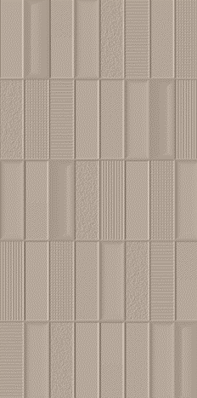 | 600X1200 | MATT | 2 | 15.5 | 150 PER SQFT
81 | LUX CREST AVANO |  | 600X600 | MATT | 4 | 15.5 | 85 PER SQFT
82 | LUX CREST JAVANO |  | 600X1200 | MATT | 2 | 15.5 | 110 PER SQFT
83 | CREST ALBA JAVANO |  | 600X1200 | MATT | 2 | 15.5 | 150 PER SQFT
84 | CREST TRIGO JAVANO | 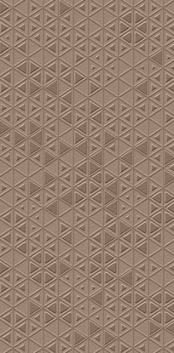 | 600X1200 | MATT | 2 | 15.5 | 150 PER SQFT
85 | CREST ELLE JAVANO |  | 600X1200 | MATT | 2 | 15.5 | 150 PER SQFT
86 | CREST BELEGIA JAVANO | 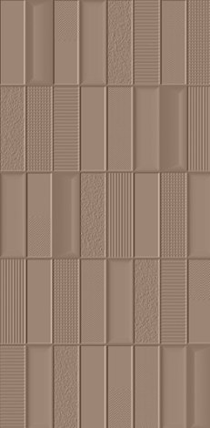 | 600X1200 | MATT | 2 | 15.5 | 150 PER SQFT
87 | LUX CREST JAVANO |  | 600X600 | MATT | 4 | 15.5 | 85 PER SQFT
88 | LUX CREST MILANO |  | 600X1200 | MATT | 2 | 15.5 | 110 PER SQFT
89 | CREST ALBA MILANO |  | 600X1200 | MATT | 2 | 15.5 | 150 PER SQFT
90 | CREST TRIGO MILANO | 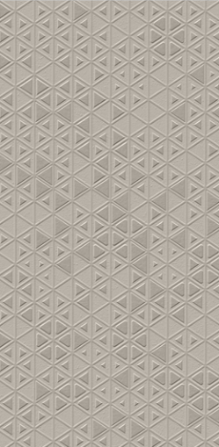 | 600X1200 | MATT | 2 | 15.5 | 150 PER SQFT
91 | CREST ELLE MILANO | 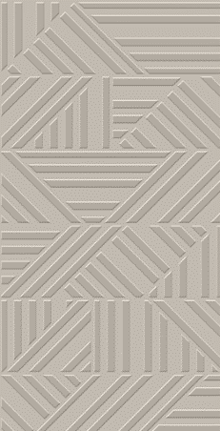 | 600X1200 | MATT | 2 | 15.5 | 150 PER SQFT
92 | CREST BELEGIA MILANO | 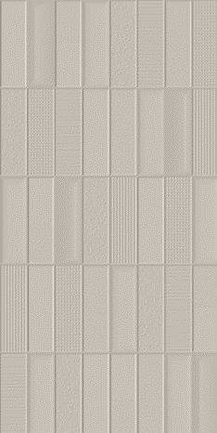 | 600X1200 | MATT | 2 | 15.5 | 150 PER SQFT
93 | LUX CREST MILANO |  | 600X600 | MATT | 4 | 15.5 | 85 PER SQFT
94 | LUX CREST ROMANO |  | 600X1200 | MATT | 2 | 15.5 | 110 PER SQFT
95 | CREST ALBA ROMANO |  | 600X1200 | MATT | 2 | 15.5 | 150 PER SQFT
96 | CREST TRIGO ROMANO | 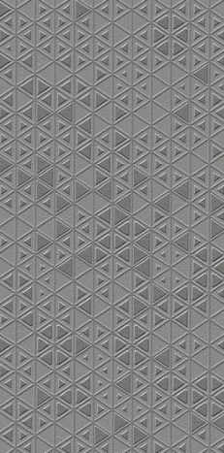 | 600X1200 | MATT | 2 | 15.5 | 150 PER SQFT
97 | CREST ELLE ROMANO | 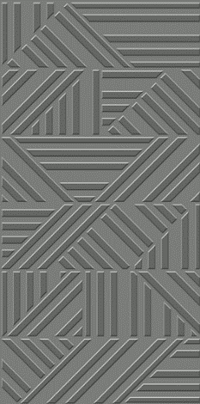 | 600X1200 | MATT | 2 | 15.5 | 150 PER SQFT
98 | CREST BELEGIA ROMANO |  | 600X1200 | MATT | 2 | 15.5 | 150 PER SQFT
99 | LUX CREST ROMANO |  | 600X600 | MATT | 4 | 15.5 | 85 PER SQFT
100 | GENESIS SNOW WHITE |  | 600X1200 | GLOSSY | 2 | 15.5 | 110 PER SQFT
101 | CREST SNOW WHITE |  | 600X1200 | MATT | 2 | 15.5 | 110 PER SQFT
102 | GENESIS CARBON |  | 600X1200 | GLOSSY | 2 | 15.5 | 110 PER SQFT
103 | CREST CARBON |  | 600X1200 | MATT | 2 | 15.5 | 110 PER SQFT
104 | GENESIS MOON |  | 600X1200 | GLOSSY | 2 | 15.5 | 110 PER SQFT
105 | CREST MOON |  | 600X1200 | MATT | 2 | 15.5 | 110 PER SQFT
106 | GENESIS DOVE |  | 600X1200 | GLOSSY | 2 | 15.5 | 110 PER SQFT
107 | CREST DOVE |  | 600X1200 | MATT | 2 | 15.5 | 110 PER SQFT
108 | GENESIS SAND |  | 600X1200 | GLOSSY | 2 | 15.5 | 110 PER SQFT
109 | CREST SAND |  | 600X1200 | MATT | 2 | 15.5 | 110 PER SQFT
110 | GENESIS FOREST |  | 600X1200 | GLOSSY | 2 | 15.5 | 110 PER SQFT
111 | CREST FOREST |  | 600X1200 | MATT | 2 | 15.5 | 110 PER SQFT
112 | GENESIS COPPER |  | 600X1200 | GLOSSY | 2 | 15.5 | 110 PER SQFT
113 | CREST COPPER |  | 600X1200 | MATT | 2 | 15.5 | 110 PER SQFT
114 | CREST BRICK |  | 600X1200 | MATT | 2 | 15.5 | 185 PER SQFT
115 | CREST OCEAN |  | 600X1200 | MATT | 2 | 15.5 | 185 PER SQFT
116 | CREST LIME |  | 600X1200 | MATT | 2 | 15.5 | 185 PER SQFT
117 | CREST SPINCH |  | 600X1200 | MATT | 2 | 15.5 | 155 PER SQFT
118 | CREST MALVA |  | 600X1200 | MATT | 2 | 15.5 | 275 PER SQFT
119 | CREST COBALTO |  | 600X1200 | MATT | 2 | 15.5 | 275 PER SQFT
120 | CREST ROSSY |  | 600X1200 | MATT | 2 | 15.5 | 155 PER SQFT
121 | CREST CHARCOAL |  | 600X1200 | MATT | 2 | 15.5 | 155 PER SQFT
122 | CREST OCRA |  | 600X1200 | MATT | 2 | 15.5 | 155 PER SQFT
123 | CREST MIST |  | 600X600 | MATT | 4 | 15.5 | 85 PER SQFT
124 | CREST ELENA |  | 600X600 | MATT | 4 | 15.5 | 85 PER SQFT
125 | CREST BRUTE |  | 600X600 | MATT | 4 | 15.5 | 85 PER SQFT
126 | CREST SAHARA |  | 600X600 | MATT | 4 | 15.5 | 85 PER SQFT
127 | CREST EVEREST |  | 600X600 | MATT | 4 | 15.5 | 85 PER SQFT
128 | CREST OXIDE | 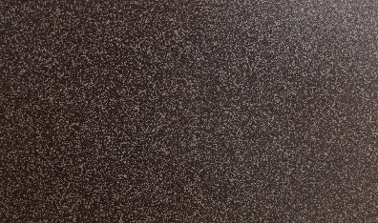 | 600X600 | MATT | 4 | 15.5 | 85 PER SQFT

